Key Centre Map
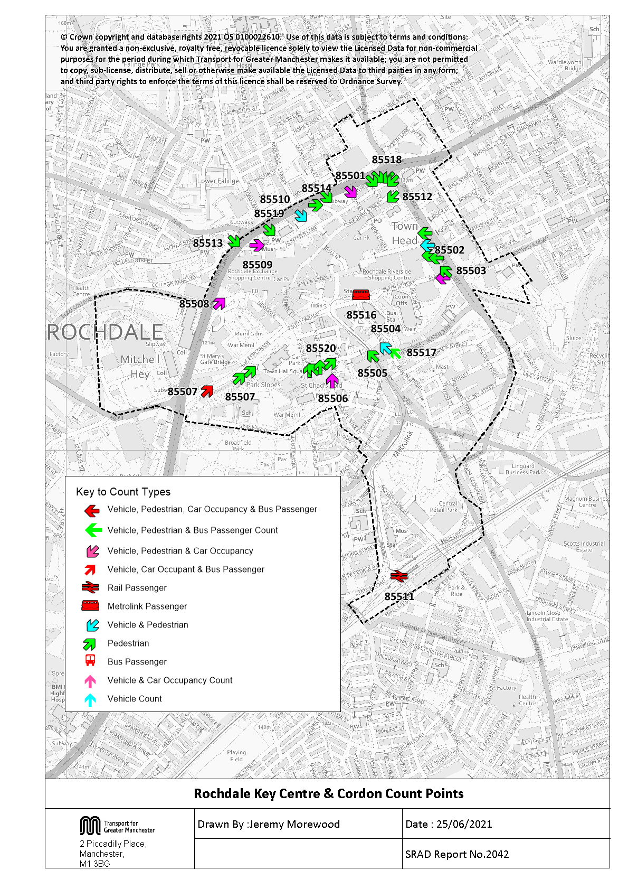

Table 20 Roc KC Traffic
Table 20 Rochdale Key Centre Cordon Counts 1997, 1999, 2002, 2005 and 2008 - 2020
Time Period | Year | Cars | LGV | OGV | Buses | M/C | P/C | All | Time Period | Year | Cars | LGV | OGV | Buses | M/C | P/C | All
0730-0930 | 1997 | 3671 | 307 | 137 | 251 | 12 | 30 | 4408 | 1000-1200 | 1997 | 3433 | 332 | 125 | 208 | 10 | 17 | 4125
 | 1998 |  |  |  |  |  |  |  |  | 1998
 | 1999 | 3673 | 326 | 83 | 261 | 14 | 32 | 4389 |  | 1999 | 3754 | 376 | 75 | 231 | 20 | 11 | 4467
 | 2000 |  |  |  |  |  |  |  |  | 2000
 | 2001 |  |  |  |  |  |  |  |  | 2001
 | 2002 | 3813 | 361 | 78 | 263 | 27 | 21 | 4563 |  | 2002 | 3785 | 372 | 91 | 253 | 22 | 12 | 4535
 | 2003 |  |  |  |  |  |  |  |  | 2003
 | 2004 |  |  |  |  |  |  |  |  | 2004
 | 2005 | 3757 | 335 | 88 | 198 | 10 | 24 | 4412 |  | 2005 | 3470 | 315 | 79 | 187 | 24 | 15 | 4090
 | 2006 |  |  |  |  |  |  |  |  | 2006
 | 2007 |  |  |  |  |  |  |  |  | 2007
 | 2008 | 3868 | 364 | 87 | 221 | 12 | 16 | 4568 |  | 2008 | 3486 | 384 | 75 | 198 | 4 | 10 | 4157
 | 2009 | 3626 | 321 | 80 | 199 | 25 | 28 | 4279 |  | 2009 | 3360 | 319 | 78 | 181 | 11 | 6 | 3955
 | 2010 | 3584 | 225 | 112 | 189 | 25 | 20 | 4155 |  | 2010 | 3390 | 287 | 85 | 170 | 15 | 24 | 3971
 | 2011 | 2939 | 292 | 53 | 175 | 12 | 22 | 3493 |  | 2011 | 2781 | 291 | 33 | 187 | 11 | 12 | 3315
 | 2012 | 2969 | 293 | 60 | 181 | 12 | 15 | 3530 |  | 2012 | 2908 | 266 | 40 | 177 | 14 | 16 | 3421
 | 2013 | 2548 | 212 | 65 | 153 | 14 | 26 | 3018 |  | 2013 | 2626 | 221 | 40 | 148 | 18 | 26 | 3079
 | 2014 | 2480 | 256 | 51 | 180 | 6 | 16 | 2989 |  | 2014 | 2706 | 242 | 42 | 179 | 5 | 9 | 3183
 | 2015 | 2494 | 264 | 43 | 144 | 12 | 48 | 3005 |  | 2015 | 2536 | 250 | 30 | 137 | 9 | 40 | 3002
 | 2016 | 2498 | 256 | 55 | 131 | 3 | 23 | 2966 |  | 2016 | 2525 | 264 | 50 | 123 | 6 | 17 | 2985
 | 2017 | 2795 | 261 | 57 | 146 | 14 | 37 | 3310 |  | 2017 | 2587 | 253 | 54 | 128 | 12 | 10 | 3044
 | 2018 | 2544 | 216 | 47 | 124 | 10 | 19 | 2960 |  | 2018 | 2548 | 235 | 45 | 114 | 9 | 5 | 2956
 | 2019 | 2561 | 225 | 59 | 129 | 10 | 20 | 3004 |  | 2019 | 2399 | 229 | 44 | 111 | 8 | 22 | 2813
 | 2020 | 1448 | 150 | 41 | 120 | 4 | 28 | 1791 |  | 2020 | 1844 | 163 | 54 | 112 | 5 | 25 | 2203
 | 2020/1997 | 0.39 | 0.49 | 0.30 | 0.48 | 0.33 | 0.93 | 0.41 |  | 2020/1997 | 0.54 | 0.49 | 0.43 | 0.54 | 0.50 | 1.47 | 0.53
Rochdale Key Centre Inbound Vehicle Counts
 | 0730-0930 | 1000-1200 | 1600-1800
1997 | 4408 | 4125 | 3802
1998
1999 | 4389 | 4467 | 3658
2000
2001
2002 | 4563 | 4535 | 4079
2003
2004
2005 | 4412 | 4090 | 3636
2006
2007
2008 | 4568 | 4157 | 3971
2009 | 4279 | 3955 | 3536
2010 | 4155 | 3971 | 3839
2011 | 3493 | 3315 | 3208
2012 | 3530 | 3421 | 3305
2013 | 3018 | 3079 | 3167
2014 | 2989 | 3183 | 3069
2015 | 3005 | 3002 | 2705
2016 | 2966 | 2985 | 2623
2017 | 3310 | 3044 | 2729
2018 | 2960 | 2956 | 2830
2019 | 3004 | 2813 | 2735
2020 | 1791 | 2203 | 1778
1600-1800 | 1997 | 3188 | 282 | 46 | 240 | 20 | 26 | 3802
 | 1998
 | 1999 | 3101 | 230 | 30 | 255 | 14 | 28 | 3658
 | 2000
 | 2001
 | 2002 | 3506 | 260 | 19 | 262 | 13 | 19 | 4079
 | 2003
 | 2004
 | 2005 | 3140 | 252 | 15 | 203 | 13 | 13 | 3636
 | 2006
 | 2007
 | 2008 | 3395 | 313 | 30 | 210 | 10 | 13 | 3971
 | 2009 | 3014 | 275 | 16 | 188 | 21 | 22 | 3536
 | 2010 | 3356 | 226 | 37 | 176 | 15 | 29 | 3839
 | 2011 | 2794 | 202 | 16 | 182 | 4 | 10 | 3208
 | 2012 | 2877 | 202 | 19 | 177 | 7 | 23 | 3305
 | 2013 | 2751 | 207 | 22 | 149 | 18 | 20 | 3167
 | 2014 | 2653 | 195 | 15 | 184 | 6 | 16 | 3069
 | 2015 | 2307 | 197 | 9 | 155 | 7 | 30 | 2705
 | 2016 | 2198 | 220 | 8 | 157 | 9 | 31 | 2623
 | 2017 | 2325 | 194 | 15 | 147 | 6 | 42 | 2729
 | 2018 | 2478 | 164 | 27 | 125 | 8 | 28 | 2830
 | 2019 | 2383 | 179 | 8 | 125 | 5 | 35 | 2735
 | 2020 | 1485 | 127 | 12 | 113 | 4 | 37 | 1778
 | 2020/1997 | 0.47 | 0.45 | 0.26 | 0.47 | 0.20 | 1.42 | 0.47

Table 26 KC Car&Non-carTrips
Car and Non-Car Trips into Rochdale Key Centre 07:30-09:30
 | Car | Bus | Walk | Rail | Metrolink | Cycle
2002 | 5186 | 1204 | 1521 | 104 |  | 21
2003
2004
2005 | 5110 | 1603 | 1769 | 134 |  | 24
2006
2007
2008 | 4951 | 1954 | 1927 | 152 |  | 16
2009 | 5113 | 1770 | 1886 | 129 |  | 28
2010 | 5053 | 1716 | 2011 | 157 |  | 20
2011 | 4056 | 1478 | 2016 | 204 |  | 22
2012 | 4305 | 1328 | 1860 | 175 |  | 15
2013 | 3593 | 1231 | 2024 | 160 | 123 | 26
2014 | 3398 | 1325 | 1929 | 221 | 94 | 16
2015 | 3478 | 1641 | 2148 | 176 | 131 | 48
2016 | 3540 | 1131 | 1994 | 170 | 194 | 23
2017 | 3791 | 1099 | 1999 | 190 | 183 | 37
2018 | 3467 | 1321 | 2318 | 198 | 256 | 19
2019 | 3496 | 1116 | 2114 | 165 | 223 | 20
2020 | 2027 | 709 | 1503 | 113 | 223 | 28
Table 26 shows the number of trips into the Key Centre Cordon, calculated from number of vehicles and occupancy levels.
Table 26 Car and Non-Car Trips into Rochdale Key Centre
Time Period | Year | Car | Bus | Rail | Metrolink | Cycle | Walk | Total | % Car | % Non-Car
07:30-09:30 | 2002 | 5186 | 1204 | 104 |  | 21 | 1521 | 8036 | 65 | 35
 | 2003
 | 2004
 | 2005 | 5110 | 1603 | 134 |  | 24 | 1769 | 8640 | 59 | 41
 | 2006
 | 2007
 | 2008 | 4951 | 1954 | 152 |  | 16 | 1927 | 9000 | 55 | 45
 | 2009 | 5113 | 1770 | 129 |  | 28 | 1886 | 8925 | 57 | 43
 | 2010 | 5053 | 1716 | 157 |  | 20 | 2011 | 8958 | 56 | 44
 | 2011 | 4056 | 1478 | 204 |  | 22 | 2016 | 7776 | 52 | 48
 | 2012 | 4305 | 1328 | 175 |  | 15 | 1860 | 7683 | 56 | 44
 | 2013 | 3593 | 1231 | 160 | 123 | 26 | 2024 | 7157 | 50 | 50
 | 2014 | 3398 | 1325 | 221 | 94 | 16 | 1929 | 6983 | 49 | 51
 | 2015 | 3478 | 1641 | 176 | 131 | 48 | 2148 | 7622 | 46 | 54
 | 2016 | 3540 | 1131 | 170 | 194 | 23 | 1994 | 7052 | 50 | 50
 | 2017 | 3791 | 1099 | 190 | 183 | 37 | 1999 | 7298 | 52 | 48
 | 2018 | 3467 | 1321 | 198 | 256 | 19 | 2318 | 7578 | 46 | 54
 | 2019 | 3496 | 1116 | 165 | 223 | 20 | 2114 | 7135 | 49 | 51
 | 2020 | 2027 | 709 | 113 | 223 | 28 | 1503 | 4603 | 44 | 56 | 5596% | 5596%
Car and Non-Car Trips into Rochdale Key Centre 10:00-12:00
 | Car | Bus | Walk | Rail | Metrolink | Cycle
2002 | 5488 | 1032 | 2512 | 70 |  | 12
2003
2004
2005 | 4962 | 1001 | 3109 | 84 |  | 15
2006
2007
2008 | 4671 | 1870 | 1907 | 105 |  | 10
2009 | 4973 | 1946 | 2693 | 126 |  | 6
2010 | 5153 | 1664 | 2946 | 120 |  | 24
2011 | 4116 | 1600 | 2679 | 127 |  | 12
2012 | 4333 | 1431 | 2529 | 128 |  | 16
2013 | 3939 | 1350 | 2866 | 124 | 132 | 26
2014 | 3897 | 1321 | 2298 | 120 | 106 | 9
2015 | 3887 | 1097 | 2779 | 136 | 115 | 40
2016 | 3712 | 891 | 2650 | 97 | 247 | 17
2017 | 3676 | 835 | 1823 | 98 | 243 | 10
2018 | 3618 | 897 | 2355 | 68 | 318 | 5
2019 | 3330 | 950 | 2218 | 84 | 267 | 22
2020 | 2777 | 484 | 1915 | 81 | 192 | 25
 | 2020/2002 | 0.39 | 0.59 | 1.09 |  | 1.33 | 0.99 | 0.57
10:00-12:00 | 2002 | 5488 | 1032 | 70 |  | 12 | 2512 | 9115 | 60 | 40
 | 2003
 | 2004
 | 2005 | 4962 | 1001 | 84 |  | 15 | 3109 | 9171 | 54 | 46
 | 2006
 | 2007
 | 2008 | 4671 | 1870 | 105 |  | 10 | 1907 | 8562 | 55 | 45
 | 2009 | 4973 | 1946 | 126 |  | 6 | 2693 | 9744 | 51 | 49
 | 2010 | 5153 | 1664 | 120 |  | 24 | 2946 | 9907 | 52 | 48
 | 2011 | 4116 | 1600 | 127 |  | 12 | 2679 | 8534 | 48 | 52
 | 2012 | 4333 | 1431 | 128 |  | 16 | 2529 | 8437 | 51 | 49
 | 2013 | 3939 | 1350 | 124 | 132 | 26 | 2866 | 8437 | 47 | 53
 | 2014 | 3897 | 1321 | 120 | 106 | 9 | 2298 | 7750 | 50 | 50
 | 2015 | 3887 | 1097 | 136 | 115 | 40 | 2779 | 8054 | 48 | 52
 | 2016 | 3712 | 891 | 97 | 247 | 17 | 2650 | 7614 | 49 | 51
 | 2017 | 3676 | 835 | 98 | 243 | 10 | 1823 | 6685 | 55 | 45
 | 2018 | 3618 | 897 | 68 | 318 | 5 | 2355 | 7261 | 50 | 50
 | 2019 | 3330 | 950 | 84 | 267 | 22 | 2218 | 6870 | 48 | 52
 | 2020 | 2777 | 484 | 81 | 192 | 25 | 1915 | 5474 | 51 | 49 | 4927%
Car and Non-Car Trips into Rochdale Key Centre 16:00-18:00
 | Car | Bus | Walk | Rail | Metrolink | Cycle
2002 | 5329 | 791 | 1417 | 441 |  | 19
2003
2004
2005 | 4679 | 667 | 1496 | 379 |  | 13
2006
2007
2008 | 4244 | 1142 | 1106 | 510 |  | 13
2009 | 4611 | 1416 | 1473 | 574 |  | 22
2010 | 5135 | 1177 | 1592 | 546 |  | 29
2011 | 3912 | 897 | 1143 | 513 |  | 10
2012 | 4402 | 1094 | 1460 | 553 |  | 23
2013 | 4071 | 1191 | 1758 | 477 | 122 | 20
2014 | 3820 | 1048 | 1883 | 620 | 76 | 16
2015 | 3505 | 1372 | 1686 | 554 | 0 | 31
2016 | 3184 | 961 | 1651 | 560 | 197 | 31
2017 | 3440 | 913 | 1623 | 552 | 220 | 42
2018 | 3389 | 663 | 1610 | 488 | 303 | 28
2019 | 3487 | 847 | 1869 | 567 | 247 | 35
2020 | 2195 | 422 | 1192 | 208 | 185 | 37
 | 2020/2002 | 0.51 | 0.47 | 1.16 |  | 2.08 | 0.76 | 0.60
16:00-18:00 | 2002 | 5329 | 791 | 441 |  | 19 | 1417 | 7997 | 67 | 33
 | 2003
 | 2004
 | 2005 | 4679 | 667 | 379 |  | 13 | 1496 | 7233 | 65 | 35
 | 2006
 | 2007
 | 2008 | 4244 | 1142 | 510 |  | 13 | 1106 | 7015 | 60 | 40
 | 2009 | 4611 | 1416 | 574 |  | 22 | 1473 | 8096 | 57 | 43
 | 2010 | 5135 | 1177 | 546 |  | 29 | 1592 | 8479 | 61 | 39
 | 2011 | 3912 | 897 | 513 |  | 10 | 1143 | 6474 | 60 | 40
 | 2012 | 4402 | 1094 | 553 |  | 23 | 1460 | 7532 | 58 | 42
 | 2013 | 4071 | 1191 | 477 | 122 | 20 | 1758 | 7639 | 53 | 47
 | 2014 | 3820 | 1048 | 620 | 76 | 16 | 1883 | 7463 | 51 | 49
 | 2015 | 3505 | 1372 | 554 | n.a. | 31 | 1686 | 7149 | 49 | 51
 | 2016 | 3184 | 961 | 560 | 197 | 31 | 1651 | 6584 | 48 | 52
 | 2017 | 3440 | 913 | 552 | 220 | 42 | 1623 | 6790 | 51 | 49
 | 2018 | 3389 | 663 | 488 | 303 | 28 | 1610 | 6481 | 52 | 48
 | 2019 | 3487 | 847 | 567 | 247 | 35 | 1869 | 7052 | 49 | 51
 | 2020 | 2195 | 422 | 208 | 185 | 37 | 1192 | 4239 | 52 | 48 | 5055%
 | 2020/2002 | 0.41 | 0.53 | 0.47 |  | 1.95 | 0.84 | 0.53

Notes
2015 - bus flows may have been higher than usual during the evening peak due to a signal failure on Metrolink and passengers switching modes.
2020 - Likely effects of the Covid-19 pandemic/associated measures on trip numbers (see also 'Key Centre Notes'):
• Link counts - much lower flows (in all time periods) • Car occupancies - much lower flows (in all time periods) • Pedestrian counts - much lower flows (in all time periods) • Pedal cycle counts - much lower flows (in all time periods) • Rail passengers - much lower flows (in AM & PM periods only) • Metrolink passengers - much lower flows(in OP & PM periods only) • Bus occupants - much lower occupancy (in all time periods)

